Printing Instructions
1 | Select the File tab
2 | Select Print
3 | Select Print Entire Workbook
4 | Select Landscape Orientation
5 | Select Fit All Columns on One Page
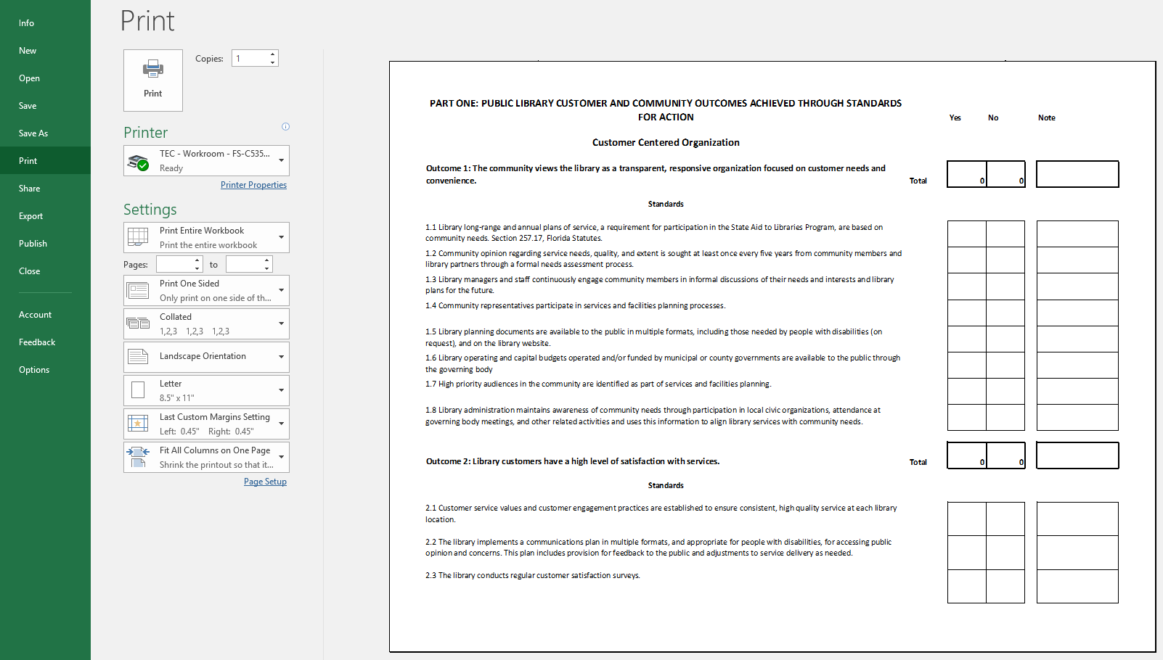

2

3

4

5

